Sheet1
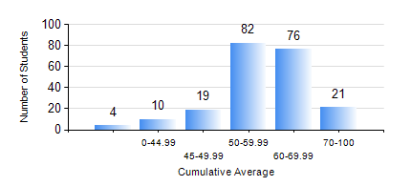
 |  |  | KWAME NKRUMAH UNIVERSITY OF SCIENCE AND TECHNOLOGY, KUMASI Department of Geological Engineering

 |  |  | BSC. GEOLOGICAL ENG.

 |  |  | COMPREHENSIVE RECORD OF EXAMINATION RESULTS

 |  |  | RESULTS OF YEAR 2 SECOND SEMESTER, 2021/2022 ACADEMIC YEAR

 | Sn | Course Code |  | Course Name | Credit Hours | Min. Mark | Max. Mark | Avg. Mark | Std. Dev. | No. Passed | No. Trailed | No. (Df) | No. (I) | No. (I*) | No. Tagged(I,I*,Df) | Total
 | 0. |  |  |  |  |  |  | 0 | 0 | 0 | 0 | 0 | 0 | 0 | 0 | 12
 | 1. | CE 256 |  | FLUID MECHANICS | 3 | 13 | 89 | 52 | 13.49 | 165 | 32 | 1 | 2 | 0 | 3 | 200
 | 2. | GE 282 |  | LARGE SCALE SURVEYING | 3 | 12 | 87 | 52 | 12.07 | 193 | 6 | 1 | 0 | 0 | 1 | 200
 | 3. | GED 252 |  | STRATIGRAPHY | 3 | 15 | 77 | 54 | 11.92 | 186 | 12 | 1 | 1 | 0 | 2 | 200
 | 4. | GED 254 |  | ROCK ENGINEERING | 2 | 10 | 86 | 58 | 14.08 | 185 | 13 | 1 | 1 | 0 | 2 | 200
 | 5. | GED 258 |  | OPTICAL MINERALOGY | 2 | 25 | 89 | 63 | 13.29 | 188 | 10 | 1 | 1 | 0 | 2 | 200
 | 6. | GED 262 |  | INTRODUCTION TO SOIL MECHANICS | 2 | 13 | 93 | 60 | 15.33 | 185 | 14 | 1 | 0 | 0 | 1 | 200
 | 7. | MATH 252 |  | ANALYSIS IV | 4 | 0 | 79 | 55 | 11.42 | 191 | 7 | 1 | 1 | 0 | 2 | 200

